Front
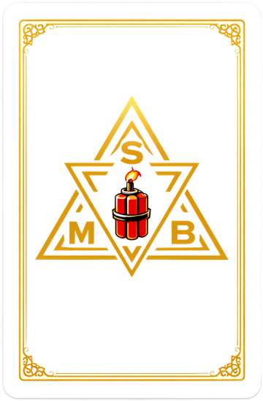
Actor Name: |  |  |  |  |  |  | Player Name:
Build Budget (max/spent): |  |  |  | 27 | 27 |  | Rank (Wildcards): |  |  | 1 | 1 | 2.7
Experience Points: |  |  |  |  |  |  | TTS: | 9

ASPECTS & ATTRIBUTES |  |  |  |  |  | ACTOR INFORMATION
Normal | STAT | Current | Dmg | TS |  | Concept: |  |  | Type:
MIND |  |  |  | 3 |  | Size: |  |  | Mass:
3 | REA | 3 | 0 |  |  | Inherits: |  |  | Appearance:
3 | KNO | 3 | 0 |  |  | Inherits: |  |  | Philospohy:
3 | QUI | 3 | 0
 |  |  |  |  |  | STAT BLOCK |  | R1/1(27/0)-M3(3/3/3)-B3(3/3/3)-S3(3/3/3)
BODY |  |  |  | 3
3 | STR | 3 | 0 |  |  | ABILITIES
3 | FIT | 3 | 0 |  |  | Ability Name--# |  |  |  | Cost | Ability Name--# |  |  | Cost
3 | AGI | 3 | 0

SPIRIT |  |  |  | 3
3 | WIL | 3 | 0
3 | PRE | 3 | 0
3 | INT | 3 | 0
 |  |  | Total Stat Cost: | 27

INJURIES

CONDITIONS

DISADVANTAGES |  |  |  |  | Pts

 |  |  |  | Total Disadvantage Points: | 0 |  |  |  |  |  |  |  | Total Abilities Cost: | 0

